RSVN Form
Please send this reservation form to Ms Bianca Luk, Assistant Events Services Manager Tel: (852) 2822 8892 Fax: (852) 2822 8805 E-mail: Bianca.Luk@conradhotels.com

RESERVATION FORM
The Hong Kong Retirement Schemes Association Cross Straits
(21 - 23 October 2018)

Last Name (Mr/ Ms/ Mrs) |  |  | Given Name

Hilton HHonors# |  |  | Frequent Flyer Program:
 |  |  | Frequent Flyer Number:
Job Title/Dept.
Company
Country
Contact details |  | Tel No. |  |  | Fax No.
Email address
Arrival Date |  | Flight No. | Time | Departure Date |  | Flight No. | Time

Airport Transfers (If airport transfer is required.)
Hotel limousine airport transfer is charged at HK$1,080 net per car per way.
Arrival (Y/N) |  |  | Departure (Y/N)
- Airport pick up service: After passing through immigration, please collect your bags and clear customs at Exit B. Our airport representatives will be on duty in the Meeters and Greeters Hall at counter B02 and will assist you to your transport arrangements. * A no-show or cancellation charge (HK$1,080 net per car per way) will apply for changes made within 72 hours prior to arrival.
Accommodation: (Room is normally available after 3:00pm for check-in and check-out time is 12:00 noon.)
Check-in date: |  |  |  |  | Check-out date:
Please put the number of rooms required in the box below:
 | One (1) Deluxe Room at HK$ 2,500* per room per night (with in-room internet access and daily buffet breakfast for one person)
* The above rate is subject to 10% service charge per room per night.
Guests will enjoy an array of benefits which include: • Fresh fruit daily • Newspaper daily • Complimentary in-room coffee and tea making facilities • Complimentary use of Health Club and outdoor pool • Complimentary shoe shine • Convenience use of in-room DVD player and CD player * Please note that the room has been blocked on 21 - 23 October 2018 (2 nights). Any pre and post-stay will be subject to rate and space availability. Each room type carries certain amount of inventory and subject to availability.
Please complete and return this reservation form directly to Ms Bianca Luk at Fax number (852) 2822 8805 or via Email address: Bianca.Luk@conradhotels.com on or before 3 October 2018, Wednesday. Reservations requests received after this date will be subject to hotel rate and room availability.
Smoking / Non-Smoking: |  |  |  | King-bed / Twin-bed:
Credit card details to guarantee the reservation Type of Credit Card: |  |  |  | Credit Card number: Expiry Date (MM/YY):
Signature:

* In the event of guest not showing up on the expected arrival date or any cancellation made after 3 October 2018, Wednesday, a “No Show or Late Cancellation or Early Departure” charge equivalent to full stay of room charge plus applicable service charge of the total room block will be charged.

Hilton Honors members are entitled to earn hotel points. To enroll, please visit www.hiltonhonors.com.
For hotel use only

Date
Confirmed by: |  |  |  |  | Confirmation Number:

Comments:

HOTEL LOCATION

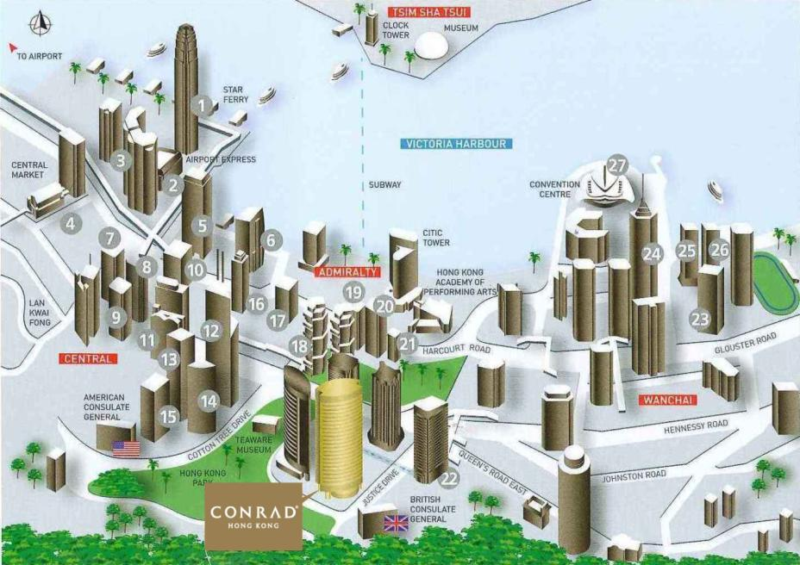

Two International Finance Centre
One International Finance Centre
Exchange Square I, II & III
The Centre
Jardine House
AIG Tower
Gloucester Tower
Alexandra House
Edinburgh Tower
Prince’s Building
Hong Kong & Shanghai Bank
Bank of China
Cheung Kong Centre
ICBC Tower
Champion Tower Central
Hutchision House
Bank Of America Tower
Lippo Tower One & Two
Far East Finance Centre
Admiralty Tower I & II
United Centre
Pacific Place III
China Resources Building
Central Plaza
Great Eagle Centre
Harbour Centre
Hong Kong Convention and Exhibition Centre

